Metrics and Plots
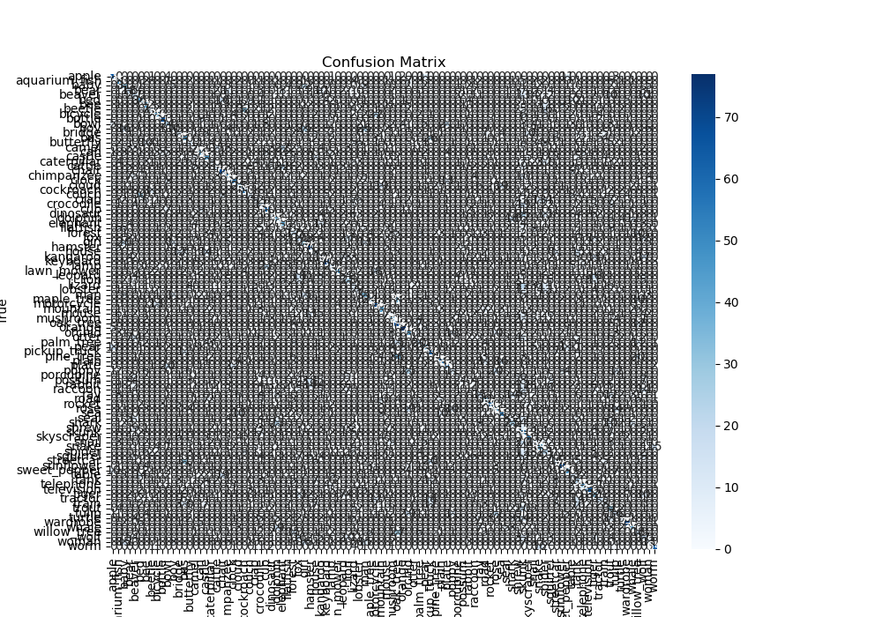
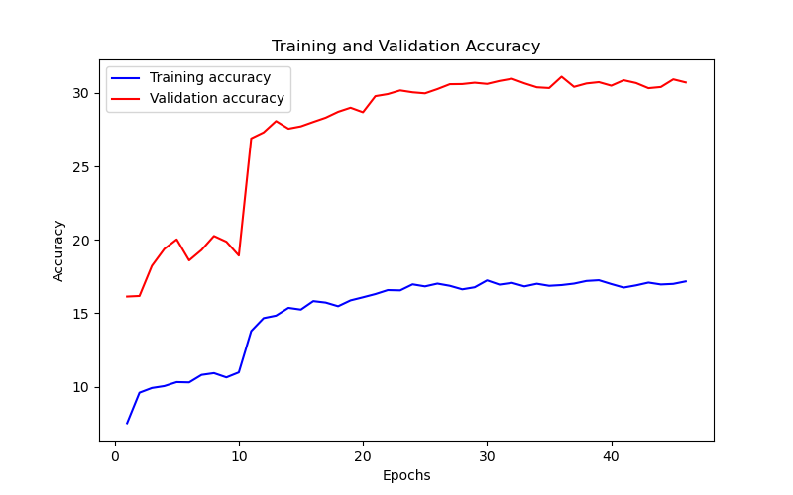
Epoch | Train Accuracy | Train Loss | Validation Accuracy | Validation Loss
1 | 7.52 | 3.866 | 16.14 | 3.291
2 | 9.6 | 3.769 | 16.18 | 3.32
3 | 9.92 | 3.767 | 18.23 | 3.19
4 | 10.05 | 3.722 | 19.38 | 3.113
5 | 10.32 | 3.693 | 20.03 | 3.071
6 | 10.3 | 3.737 | 18.6 | 3.142
7 | 10.81 | 3.703 | 19.31 | 3.115
8 | 10.93 | 3.706 | 20.26 | 3.054
9 | 10.64 | 3.719 | 19.87 | 3.101
10 | 10.98 | 3.717 | 18.93 | 3.114
11 | 13.79 | 3.427 | 26.9 | 2.837
12 | 14.67 | 3.366 | 27.31 | 2.827
13 | 14.84 | 3.351 | 28.08 | 2.801
14 | 15.37 | 3.333 | 27.56 | 2.768
15 | 15.25 | 3.309 | 27.72 | 2.77
16 | 15.83 | 3.313 | 28.02 | 2.752
17 | 15.73 | 3.298 | 28.31 | 2.737
18 | 15.48 | 3.3 | 28.71 | 2.742
19 | 15.88 | 3.29 | 28.99 | 2.735
20 | 16.09 | 3.283 | 28.68 | 2.745
21 | 16.31 | 3.253 | 29.78 | 2.716
22 | 16.58 | 3.24 | 29.92 | 2.697
23 | 16.56 | 3.247 | 30.17 | 2.716
24 | 16.97 | 3.23 | 30.04 | 2.708
25 | 16.83 | 3.228 | 29.97 | 2.712
26 | 17.02 | 3.246 | 30.26 | 2.707
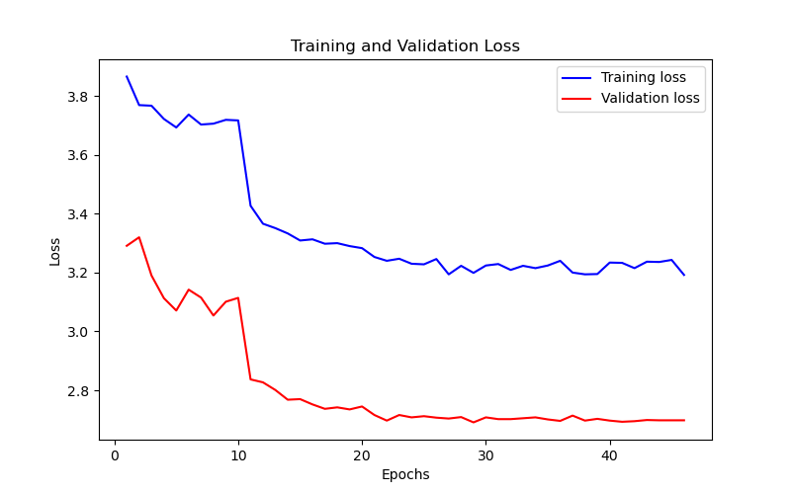
27 | 16.87 | 3.194 | 30.59 | 2.704
28 | 16.63 | 3.223 | 30.6 | 2.709
29 | 16.77 | 3.199 | 30.69 | 2.691
30 | 17.24 | 3.224 | 30.61 | 2.708
31 | 16.95 | 3.229 | 30.81 | 2.702
32 | 17.07 | 3.209 | 30.96 | 2.702
33 | 16.83 | 3.223 | 30.65 | 2.705
34 | 17.01 | 3.215 | 30.38 | 2.708
35 | 16.87 | 3.224 | 30.33 | 2.701
36 | 16.92 | 3.24 | 31.1 | 2.696
37 | 17.02 | 3.2 | 30.41 | 2.714
38 | 17.2 | 3.194 | 30.64 | 2.697
39 | 17.25 | 3.195 | 30.73 | 2.703
40 | 16.99 | 3.234 | 30.49 | 2.697
41 | 16.75 | 3.233 | 30.86 | 2.693
42 | 16.9 | 3.215 | 30.67 | 2.695
43 | 17.09 | 3.237 | 30.32 | 2.699
44 | 16.96 | 3.236 | 30.4 | 2.698
45 | 17 | 3.243 | 30.92 | 2.698
46 | 17.17 | 3.192 | 30.71 | 2.698

